Question 1
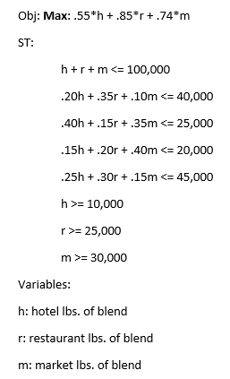
 | Hotel | Rest | Market |  |  | Obj | $55,200.00
Rev per LB | $1.25 | $1.50 | $1.40
Cost per Blend LB | $0.70 | $0.65 | $0.67
Profit per LB | $0.55 | $0.85 | $0.73

Variables | 10000 | 32500 | 30000 | LHS |  | RHS
Plant Max | 1 | 1 | 1 | 72500 | <= | 100,000
Abundo Max | 0.20 | 0.35 | 0.10 | 16375 | <= | 40,000
Colmado Max | 0.40 | 0.15 | 0.35 | 19375 | <= | 25,000
Maximo Max | 0.15 | 0.20 | 0.40 | 20000 | <= | 20,000
Saboro Max | 0.25 | 0.30 | 0.15 | 16750 | <= | 45,000
Hotel Marketing Demand | 1 |  |  | 10000 | >= | 10,000
Rest Marketing Demand |  | 1 |  | 32500 | >= | 25,000
Market Marketing Demand |  |  | 1 | 30000 | >= | 30,000

****Note
Cost per blend found by taking percent of component by cost per lb.
Abundo $0.60/lb
Colmado $0.80/lb
Maximo $0.55/lb
Saboro $0.70/lb

Profit was found by rev-cost per blend and used as objective function.

Question 2
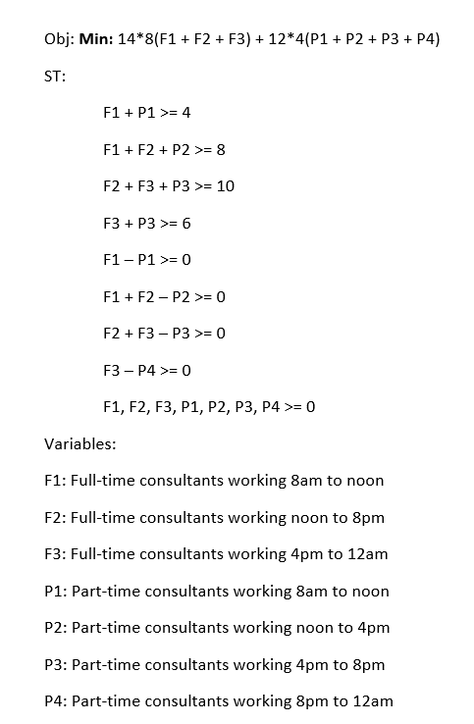
 | F1 | F2 | F3 | P1 | P2 | P3 | P4 |  |  |  | Obj | 1456
 | 2 | 2 | 3 | 2 | 4 | 5 | 3
 |  |  |  |  |  |  |  | LHS |  | RHS
8am-noon | 1 |  |  | 1 |  |  |  | 4 | >= | 4
noon-4pm | 1 | 1 |  |  | 1 |  |  | 8 | >= | 8
4pm-8pm |  | 1 | 1 |  |  | 1 |  | 10 | >= | 10
8pm-12am |  |  | 1 |  |  |  | 1 | 6 | >= | 6
P1 manager | 1 |  |  | -1 |  |  |  | 0 | >= | 0
P2 Manger | 1 | 1 |  |  | -1 |  |  | 0 | >= | 0
P3 Manager |  | 1 | 1 |  |  | -1 |  | 0 | >= | 0
P4 Manager |  |  | 1 |  |  |  | -1 | 0 | >= | 0

